Aula 4
Para formatar a condição anterior da aula 3, devemos encontrar o espaço entre os caracters

Assim para encontrar a qual caracter esse espaço corresponde, montamos a equação
 | 8

Logo, sabemos que o espaço é no 8º caracter
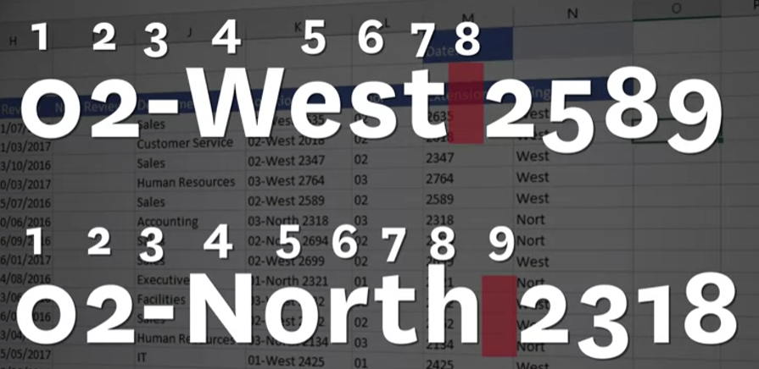

Subtraindo os caracters:

 |  | 8-4=4 |  | Alterando a equação de FIND:
 |  |  |  |  | preenche toda a coluna e combina as funções.
 |  |  |  |  |  | É essa equação que iremos compor na EXTRAÇÃO DO TEXTO

Assim alterando a equação anterior
 |  |  | para:

